Signify- share buyback
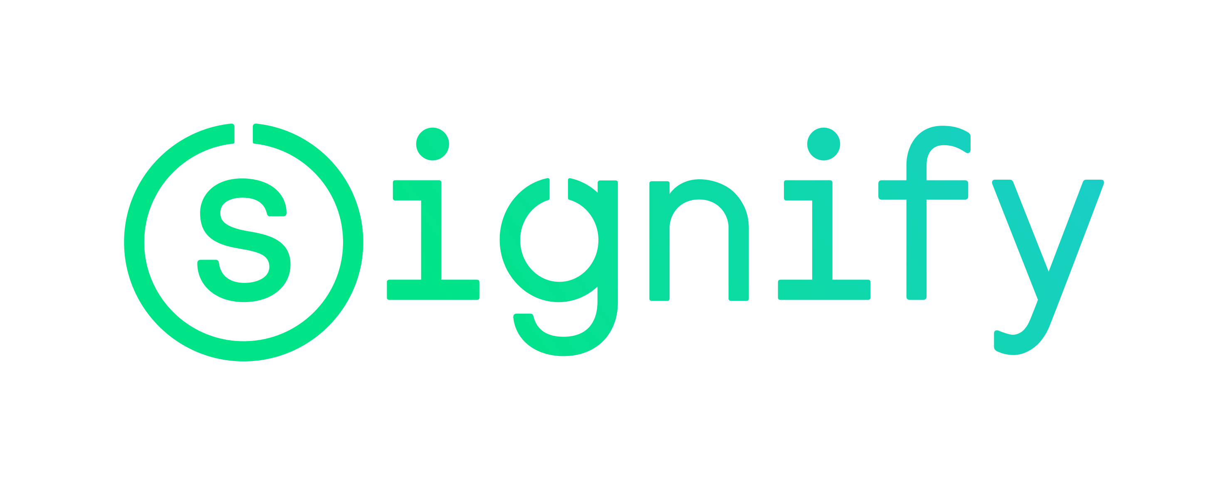

Signify N.V. share buyback program

Share buyback details
Share buyback program |  |  | 1,300,000
Start date |  |  | 2-May-18
Percentage of programme completed as of 25-May-2018 |  |  | 100%

Trade date | Number of shares repurchased | Average purchase price | Settlement amount

Total | 1,300,000 | EUR 25.53 | EUR 33,185,123.79

Total 22 May / 25 May | 419,743 | EUR 24.87 | EUR 10,439,911.40
25-May-18 | 2,243 | EUR 24.46 | EUR 54,869.48
24-May-18 | 107,500 | EUR 24.41 | EUR 2,624,310.43
23-May-18 | 215,000 | EUR 24.85 | EUR 5,342,028.46
22-May-18 | 95,000 | EUR 25.46 | EUR 2,418,703.04

Total 14 May / 21 May | 387,605 | EUR 25.19 | EUR 9,764,149.13
21-May-18 | 30,000 | EUR 25.31 | EUR 759,281.43
18-May-18 | 97,605 | EUR 25.12 | EUR 2,451,438.01
17-May-18 | 215,000 | EUR 25.07 | EUR 5,390,354.01
16-May-18 | 10,000 | EUR 25.76 | EUR 257,600.00
15-May-18 | 20,000 | EUR 25.73 | EUR 514,659.64
14-May-18 | 15,000 | EUR 26.05 | EUR 390,816.05

Total 7 May / 11 May | 338,652 | EUR 26.26 | EUR 8,893,633.87
11-May-18 | 20,000 | EUR 25.97 | EUR 519,468.88
10-May-18 | 50,000 | EUR 26.00 | EUR 1,299,991.25
9-May-18 | 73,000 | EUR 26.09 | EUR 1,904,793.53
8-May-18 | 165,400 | EUR 26.34 | EUR 4,357,205.80
7-May-18 | 30,252 | EUR 26.85 | EUR 812,174.42

Total 2 May / 4 May | 154,000 | EUR 26.54 | EUR 4,087,429.38
4-May-18 | 46,000 | EUR 26.50 | EUR 1,218,790.01
3-May-18 | 100,000 | EUR 26.59 | EUR 2,658,706.70
2-May-18 | 8,000 | EUR 26.24 | EUR 209,932.67

